Introduction Page
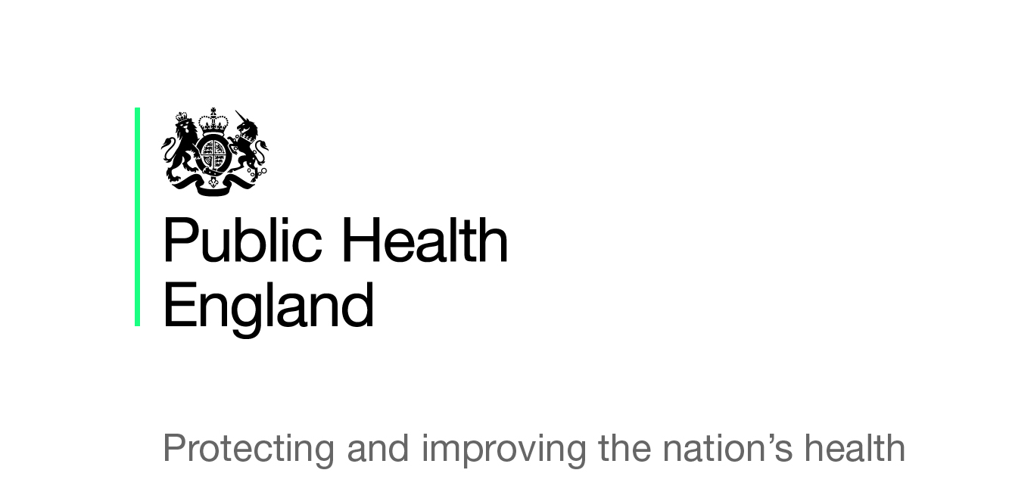
 | Introduction to the Toolkit Self-Assessment
 | This tool is designed to support employers undertake an internal review of their own practices against the best practice set out in the Business in the Community/PHE Employer Toolkit for Mental Health, Suicide Prevention and Musculoskeletal Health.
 | Background on the Toolkit
 | The self assessment toolkit has been put together by Public Health England and Business in the Community in order to provide businesses of all sizes a way of benchmarking their progress when using the following toolkits: Mental Health, Suicide Prevention Musculoskeletal Health. The content of this self assessment toolkit has been tested by 18 businesses. The self assessment toolkit was developed in December 2017 If you have any feedback or require further information please contact healthandwork@phe.gov.uk
 | How to use the self-assessment tool
 | The self-assessment tool is designed as a simple way to review progress in applying the toolkits in practice. The tool highlights some of the key actions from the toolkits and provides examples of the kind of evidence that might demonstrate that action being implemented. There is a column for organisations to self-score using a red, amber, green rating against the actions and this can be a helpful way of reviewing progress and identifying gaps.
 | How you use the self-assessment tool internally is up to individual organisations, it can be a useful basis on which to design your staff health and wellbeing approach and identify opportunities for action. It can also be a useful prompt for senior management or a board discussion about staff health and wellbeing and where the organisation can improve its work.

 | Self-Rated RAG further information.
 | The RAG system is a popular method of rating for status reports, based on Red, Amber, and Green colours used in a traffic light system. The system acts as a visual cue to give you a rapid overview on your progress on implementing the Business In The Community/ Public Health England health toolkits. The efficacy of the RAG rating is dependent on the integrity of the person completing it and the accuracy of the assigned RAG status, an inappropriate RAG rating can potentially lead to problems accumulating and important support systems underperforming. If you plan to use the RAG status as a reporting tool in a meeting we strongly recommend it is supported by written or verbal update. Below is a definition of each rating. | • Red: There are issues with this particular action. It may be that action is yet to be taken or there have been some significant delays in implementing the action. It may be the case that the action requires senior management or board level support. • Amber: The action has been partially achieved and full implementation has encountered unavoidable snags or delays. It may that a policy or guidance is going through a governance process and cannot be actioned until it is signed off. An amber status can have a time limited negative effect on implementing the toolkit and should be monitored to ensure it does not regress to red. • Green: The action is fully implemented and is performing to a high standard and no further action needed.

Company Context
PHE BITC Employer Toolkit Self-Assessment Tool
This section helps you to assess the baseline context of staff health and wellbeing in the organisation.
Company name:
Baseline information: |  |  | Profile of business | Average Age of Staff | Number of sites | Geographic location | Gender | Disability profile | Professional mix* Select one
These questions help baseline your company profile to help you reflect on how well your offer meets the breadth of your workforce

Company information (by year) | 2017 |  | 2016 |  | 2015 |  | 2014 |  | 2013
Type of contract | Permanent | Temporary | Permanent | Temporary | Permanent | Temporary | Permanent | Temporary | Permanent | Temporary
Total number of direct employees head count | 0 | 0 | 0 | 0 | 0 | 0 | 0 | 0 | 0 | 0

Company information (by year) | 2017 |  | 2016 |  | 2015 |  | 2014 |  | 2013
Type of contract | Permanent | Temporary | Permanent | Temporary | Permanent | Temporary | Permanent | Temporary | Permanent | Temporary
Average short term sickness/absences days lost per year per employee | 0.00 | 0.00 | 0.00 | 0.00 | 0.00 | 0.00 | 0.00 | 0.00 | 0.00 | 0.00

Company information (by year) | 2017 |  | 2016 |  | 2015 |  | 2014 |  | 2013
Type of contract | Permanent | Temporary | Permanent | Temporary | Permanent | Temporary | Permanent | Temporary | Permanent | Temporary
Average long term sickness/absence days lost per year per employee | 0.00 | 0.00 | 0.00 | 0.00 | 0.00 | 0.00 | 0.00 | 0.00 | 0.00 | 0.00

Corporate context | Y/N |  | Staff Co-Production Approach (summaries how you involve staff in developing the organisational work and health programmes)
Staff Health and Wellbeing Strategy/Action Plan
Staff side/trade union committee/group
Staff diversity networks e.g. Women's Leadership Networks; Black and Minority Ethnic (BME) Staff Networks; Lesbian, Gay, Bisexual and Transgender (LGBT) Staff Networks; Disabled Staff Networks.

Staff Health & Wellbeing Support Services/Interventions | Y/N
Employee assistance programme
Independent employee helpline
Occupational health service - in house
Occupational health services - external
Counselling/Talking therapy - telephone
Counselling/Talking therapy - face to face
Counselling/Talking therapy - digital
Mental Health First Aid trained staff |  |  | National statistics: Office for National Statistics, sickness absence in the labour market 2016.
Workplace Health and Wellbeing Champions |  |  | • An estimated 137.3 million working days were lost due to sickness or injury in the UK in 2016. This is equivalent to 4.3 days per worker (the lowest recorded since the series began in 1993, when it was at 7.2 days per worker, the highest level over the reference period). • Minor illnesses (such as coughs and colds) were the most common reason for sickness absence in 2016, accounting for approximately 34.0 million days lost (24.8% of the total days lost); • This was followed by musculoskeletal problems (including back pain, neck and upper limb problems) at 30.8 million days (22.4%). • After ‘other’ conditions, mental health issues (including stress, depression, anxiety and serious conditions) were the next most common reason for sickness absence, resulting in 15.8 million days lost (11.5%). • Lower sickness absence rates occur in the private sector (1.7%) but the gap with the public sector (2.9%) has narrowed over past 20 years of the larger public sector organisations sickness rates are highest for those working in the health sector. • Self-employed people are less likely than employees to have a spell of sickness. • The largest workforces report highest sickness levels. • Sickness absence is lowest for managers, directors and senior officials.
Stress and resilience training
Diversity and inclusion training
Mindfulness training
Workplace physical activity challenge
Health Checks (Including health risk assessments e.g. workspace assessments)

OPTIONAL Company information from Company-wide Employee Survey (by year) | 2017 | 2016 | 2015 | 2014 | 2013
% of employees Highly Engaged
% of employees Engaged
% of employees Disengaged
% of employees Highly Disengaged

